Normal Distribution Case
a) What is the probability that the pack weighs less than 0.280 kg?

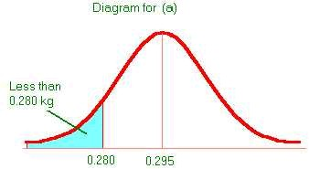
 | Mean | 0.295
 | Std | 0.025
 | X | 0.28

 | Probability | 0.27425311775

b) What is the probability that the pack weighs more than 0.350 kg?

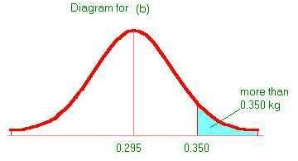
 | Mean | 0.295
 | Std | 0.025
 | X | 0.35

 | Probability | 0.013903447513

c)The sales team is negotiating with a new customer who has more stringent quality requirements. The new customer requires packs which should be between 0.260 and 0.340 kg. What is the probability that a pack produces by the current process will be acceptable to the new customer?

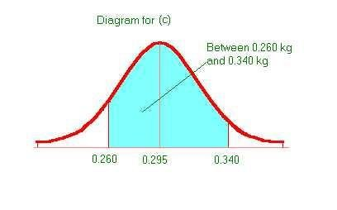

 | Mean | 0.295
 | Std | 0.025
 | X1 | 0.26
 | X2 | 0.34
 | Cummulative Probability of X1 | 0.080756659234
 | Cummulative Probability of X2 | 0.96406968089
 | Required Probability | 0.88331302165

d) What is the weight for which 99% of the packs produced will be less than the weight?

 | Mean | 0.295
 | Std | 0.025
 | Probability | 0.99
 | X | 0.35315869685

